Prerequisite Info
Pre-requisite Informations

SETTING YOUR TASKBOT SO IT COULD OPEN YOUR LINKEDIN ACCOUNT |  | DOWNLOAD COPY CSS SELECTOR FROM CHROME STORE |  |  | SETTING UP TABLES & RELEVANT INSTRUCTIONS

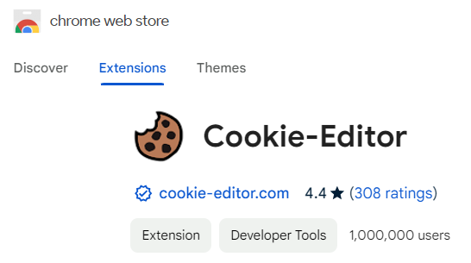
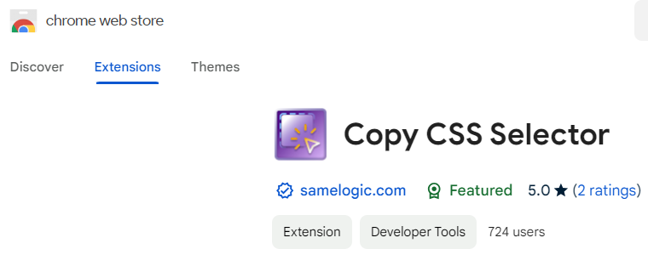
1 | Download Chrome extension "Cookie-Editor" so that the taskbot can login to your account | 1 | Download Chrome extension "Copy CSS Selector" |  | 1 | Create table named "Profiles", add the following columns below:
 |  |  |  |  |  |  | > Qualified | > Company
 |  |  |  |  |  |  | > Profile Link | > Company Size
 |  |  |  |  |  |  | > Job Title | > About
 |  |  |  |  |  |  | > Name

 |  |  |  |  | 2 | Create table named "Qualified Leads", add the following columns below:
 |  |  |  |  |  |  | > Link | > Company
 |  |  |  |  |  |  | > Name | > Company Size
2 | Click the export button in the lower right side of the extension window | 2 | To use, just click the "Select an Element" button in the extension window |  |  |  | > Job Title
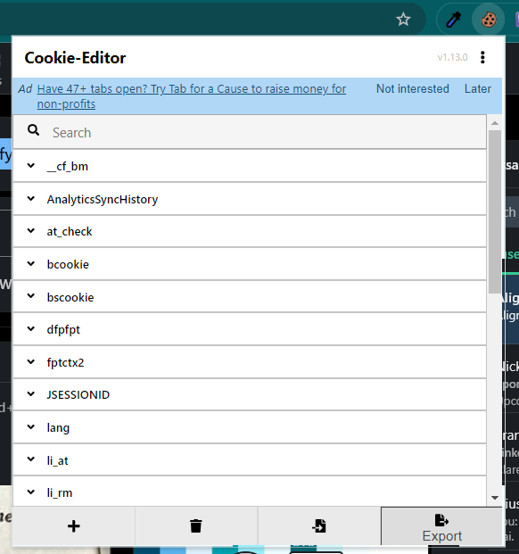
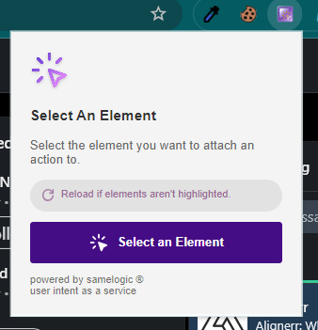
 |  |  |  |  | 3 | Once you are done with step 2 automation (Visit Profile Links)
 |  |  |  |  |  | download a copy of the Profiles table in CSV format and upload it
 |  |  |  |  |  | again, this is to ensure that we will not change na main raw data table

 |  |  |  |  | 4 | Use the copied table to run and manipulate data in step 3

 |  | 3 | Click the Web element you wou want to copy the CSS selector
3 | Copy the JSON format
4 | Go to Zerork setting in the upper right corner and click the button
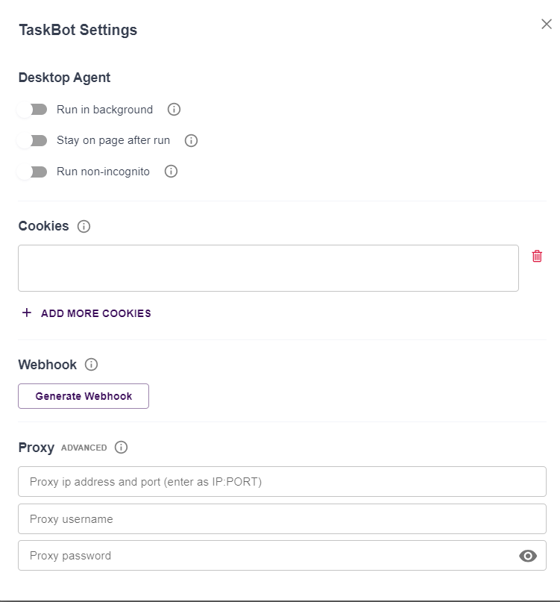

 |  | 4 | Copy the selector displayed in the extension window
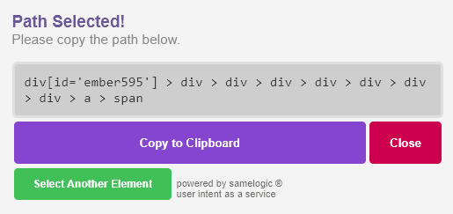

 |  | 5 | You can use this selector and copy it to the zerowork block
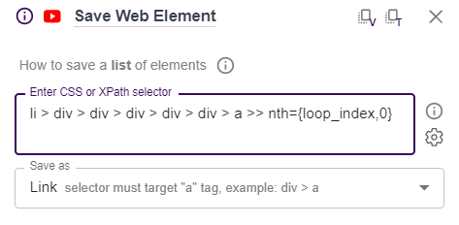

5 | Copy the JSON format cookie the the Cookies field

 |  | 6 | Note: Not all the time you can use this method. It is recommended to watch the Zerowork tutorial for in-depth information about selectors
 |  |  | Zerowork tutorial for in-depth information about selectors
 |  |  | Link: | https://www.youtube.com/@zerowork_io/playlists

01 Saving List of Profile
Step 01: Saving List of Profiles (LinkedIn)

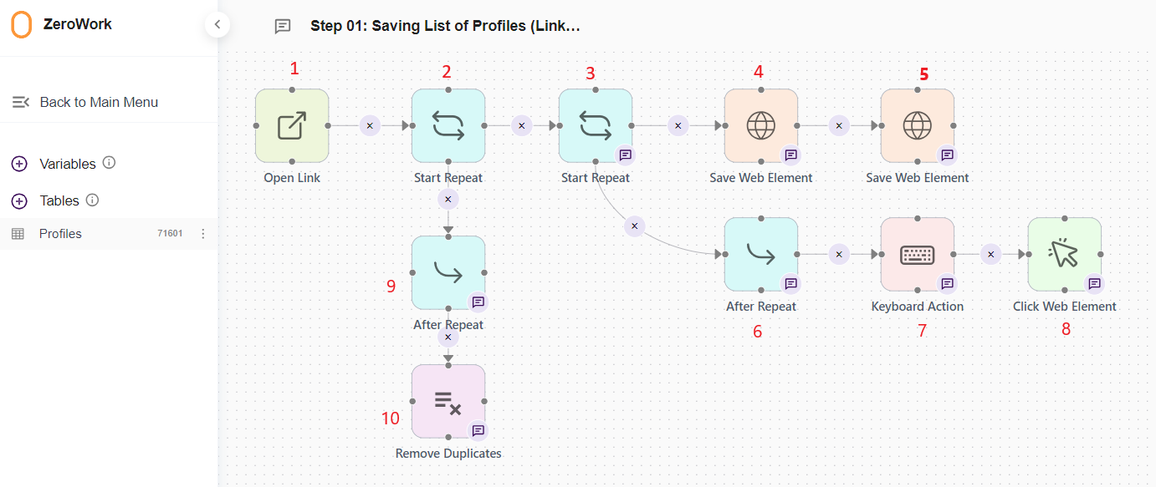
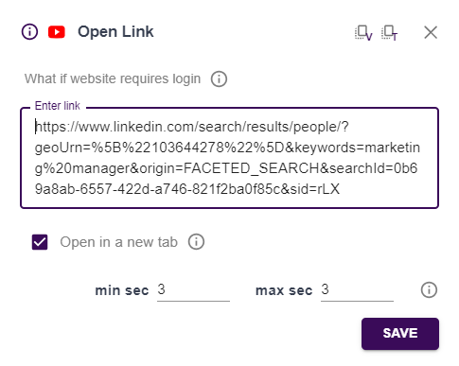
 | Block No. | Definition | Details
 | 1 | Starting block for the whole process. Include the link of the filtered query in LinkedIn

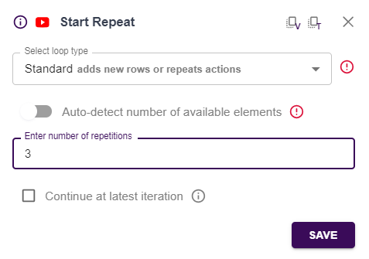
 | 2 | Loop for how many pagination iteration

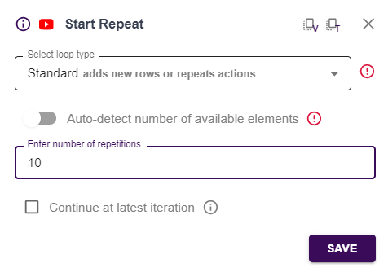
 | 3 | Loop for the reiteration of user profile in the list

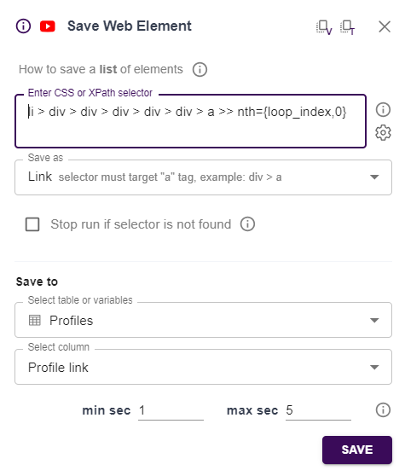
 | 4 | Save profile link to table

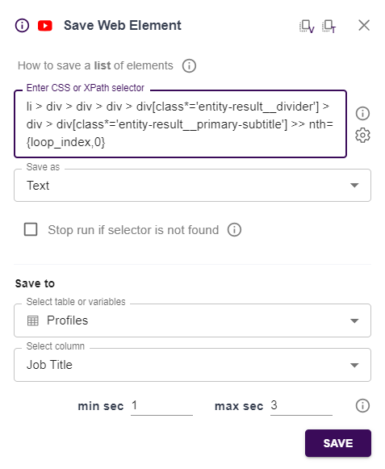
 | 5 | Save job title to table

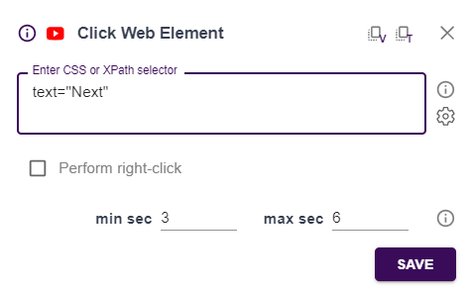
 | 6 | Starting block for navigating down the page to find the "Next" button for pagination
 | 7 | Scroll down to show the Next button on the pagination (Bottom part of the page) | Enter two spaces in the input box so it can navigate to the bottom of the page
 | 8 | Click the "Next" button in the pagination bar

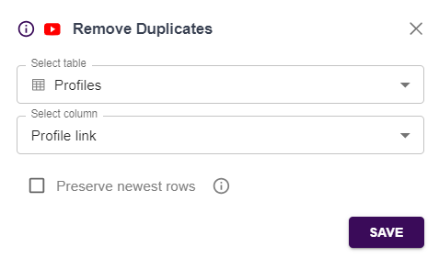
 | 9 | Starting block for the removal of duplicate links in the data table
 | 10 | Remove duplicate links in the data table

02 Visit Profile Links
Step 02: Visit Profile Links and Add Existing List with Additional Info

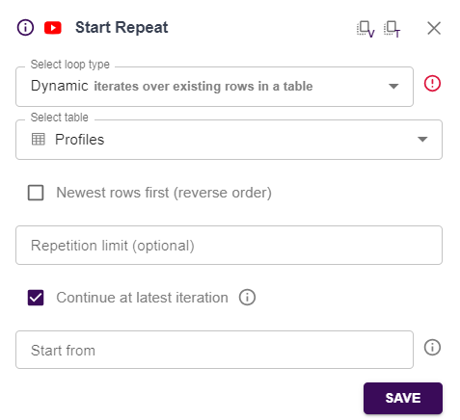
 | Block No. | Definition | Details
 | 1 | Starting block for visiting lead profiles. Note: Leave "Repition limit" and "Start from" input box to run from the beginning of the list to the last item

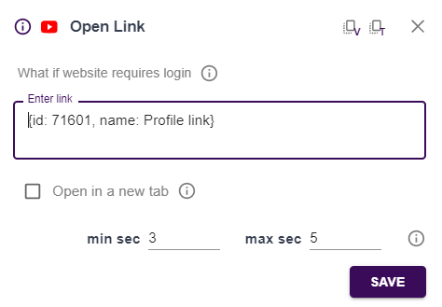
 | 2 | Open profile link from the table

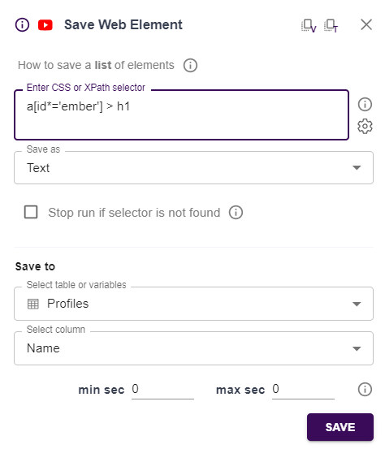
 | 3 | Save profile name to table

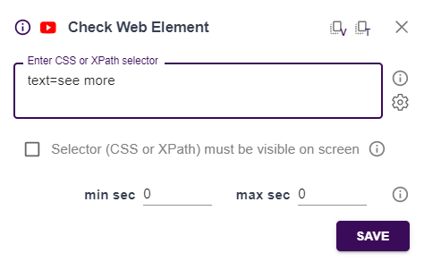
 | 4 | Checking for the presence of "See more" button

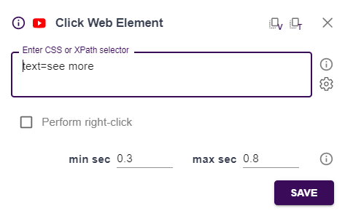
 | 5 | Starting block if "see more" button is found
 | 6 | Click "See more" button to fully display the About section of the profile


 | 7 | Save "About" to table

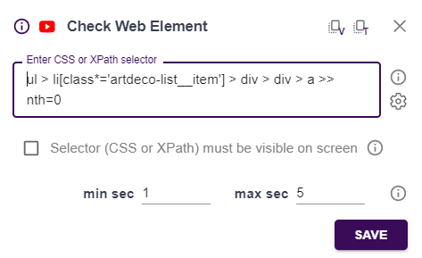
 | 8 | Scroll down to display company link | Enter one space in the input box so it can navigate to the company link
 | 9 | Check if company link is present

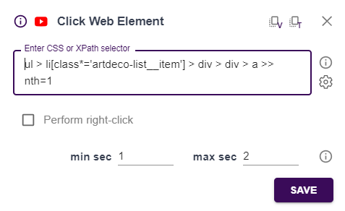
 | 10 | Starting block if company name is found
 | 11 | Click the link of the latest company the user is working at

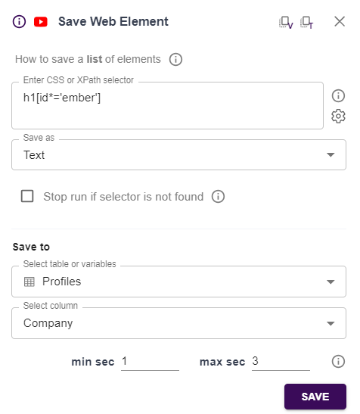
 | 12 | Save company name in the table

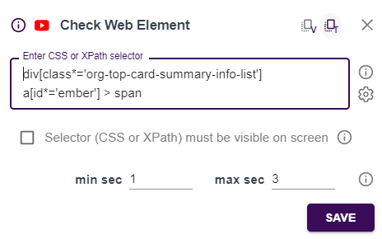
 | 13 | Check if company size information is displayed on the company page

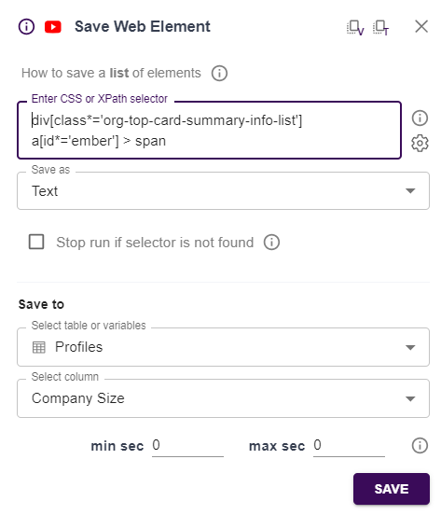
 | 14 | Starting block if company size is found
 | 15 | Save company size information to table

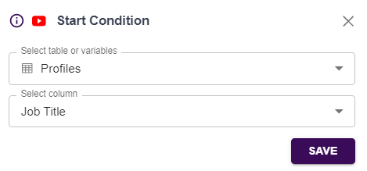
 | 16 | Starting block for qualifying profile based on job title

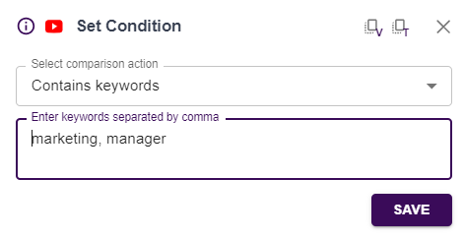
 | 17 | Setting condition on what keywords are needed to be found for the profile to be qualified

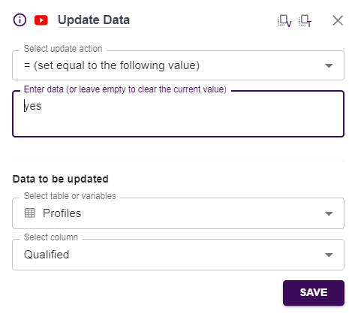
 | 18 | Mark profile as Qualified by puting "yes" in the Qualified column

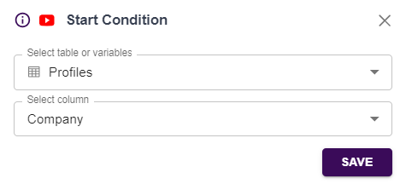
 | 19 | Condition block if "see more" button is not found, go directly to block 8
 | 20 | Condition block if company name is not found, go directly to block 21
 | 21 | Starting block for disqualifying profile based on empty company name

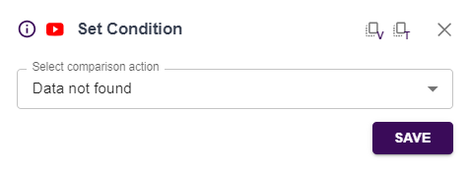
 | 22 | Setting condition if company name is not found

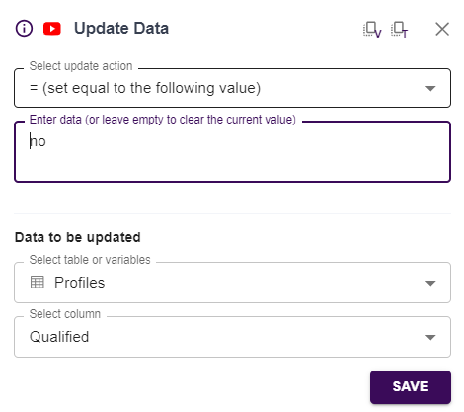
 | 23 | Mark profile as Unqualified if no company is present in profile

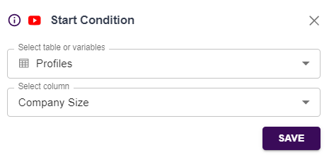
 | 24 | Condition block if company size info is not found, go directly to block 25
 | 25 | Starting block for disqualifying profile based on empty company size info


 | 26 | Setting condition if company size info is not found

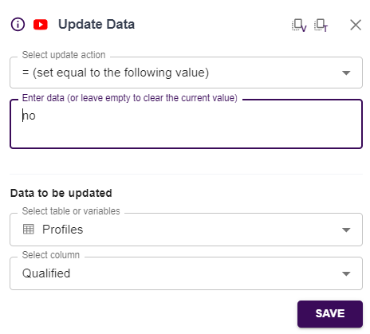
 | 27 | Mark profile as Unqualified if no company size info is present

03 Qualified Leads
Step 03: Qualified Leads

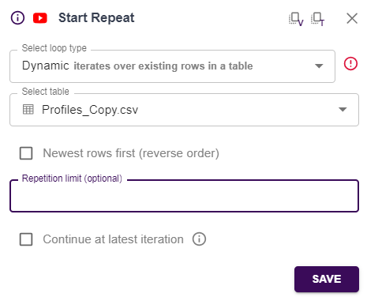
 | Block No. | Definition | Details
 | 1 | Starting block for qualifying leads

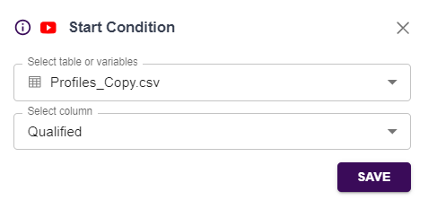
 | 2 | Starting block for qualifying profile based on the Qualified column in the table

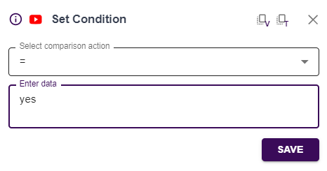
 | 3 | Mark leads with "yes' in the Qualified column

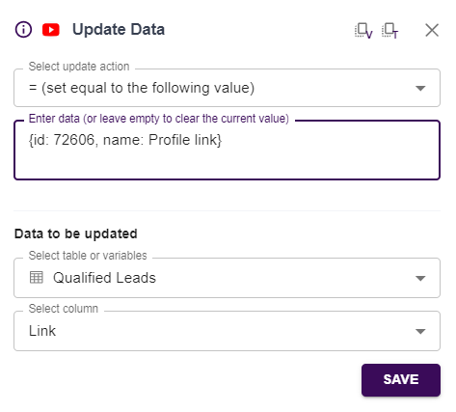
 | 4 | Save profile link to Qualified Leads table

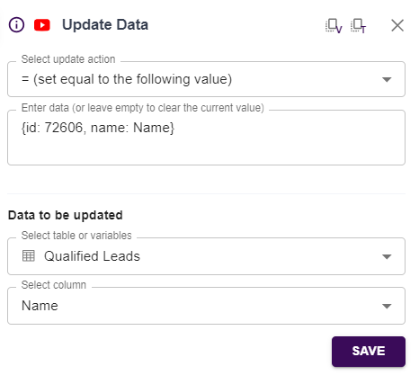
 | 5 | Save name to Qualified Leads table

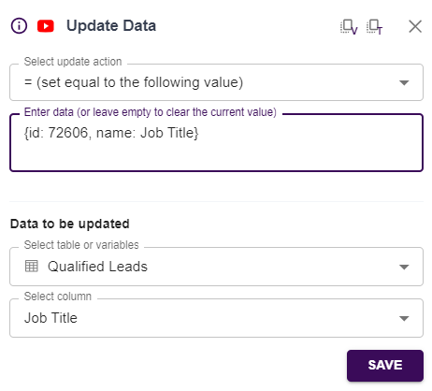
 | 6 | Save job title to Qualified Leads table


 | 7 | Save company to Qualified Leads table

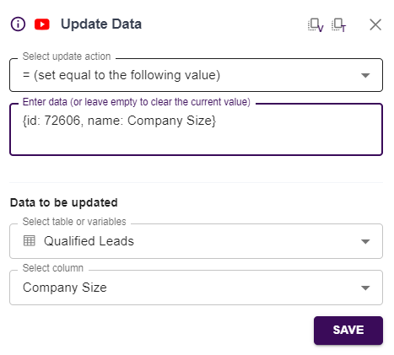
 | 8 | Save company size info to Qualified Leads table

